OpticalTransmitterBoard
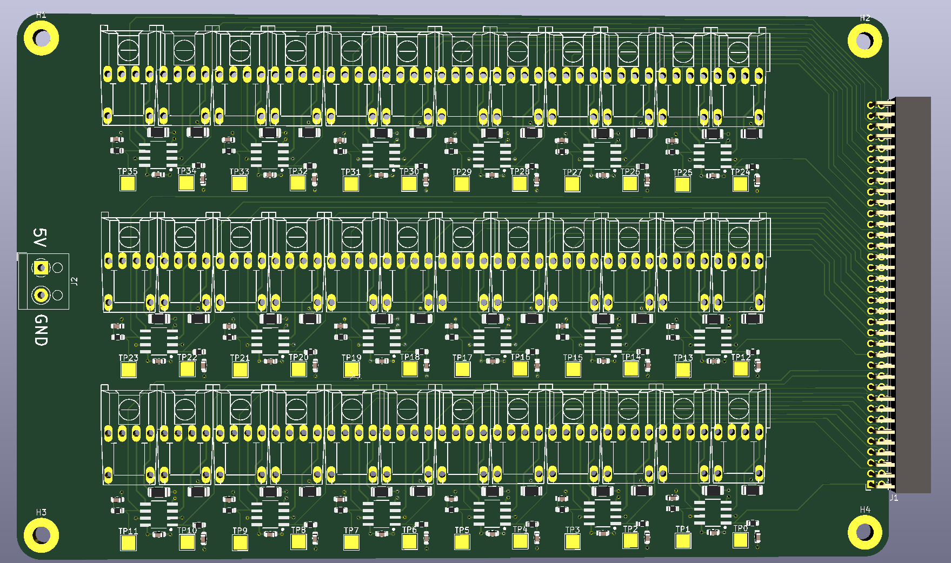
Part | Formfactor | Quantity | Minimum Order | Retailer link | Elfa part nummer | RS Components part number | Mouser part number
SN75454BD OR-logic Driver | SOIC-8 | 18 | 1 | https://eu.mouser.com/ProductDetail/Texas-Instruments/SN75454BD?qs=rshUhwi3fbb0CyvT4h26%252BA%3D%3D |  |  | 595-SN75454BD
1206 Current limit resistor | 1206 60 Ohm | 36 | 100 | https://www.elfa.se/sv/ytmonterade-tjockfilmsmotstand-foer-hoegeffekt-1206-82ohm-500mw-rnd-components-rnd-155hp06w2f820jt5e/p/30111989?q=&pos=9&origPos=1641&origPageSize=50&track=true | 301-11-989
HFBR-1531ETZ Optical transmitter |  | 36
0603 50 Ohm resistor | resistor 0603 | 36 | 500 | https://www.elfa.se/sv/tjockfilmsmotstand-motstand-ytmontering-0603-51ohm-100mw-rnd-components-rnd-1550603saf510jt5e/p/30056626?q=*&pos=9&origPos=2940&origPageSize=50&track=true | 300-56-626
SMD Test point hook | 2.5x2.5mm | 42 | 1 | https://eu.mouser.com/ProductDetail/Keystone-Electronics/5193TR?qs=vLWxofP3U2xUm2eUxX0VjA%3D%3D |  |  | 534-5193TR
0603 0.1uF capacitor | resistor 0603 | 18 | 100 | https://www.elfa.se/sv/keramisk-kondensator-100nf-50vdc-0603-10-rnd-components-rnd-1500603b104k500nt/p/30086429?q=&pos=2&origPos=2&origPageSize=50&track=true | 300-86-429
Screwterminal 5V |  | 1 | 10 | https://www.elfa.se/sv/kabel-till-kretskort-kopplingsplint-13-31mm-26-16awg-08mm-stiftavstand-poler-rnd-connect-rnd-205-00232/p/30043058?q=&pos=2&origPos=2&origPageSize=50&track=true | 300-43-058
2x20 pin female header | 2mm pitch | 3 | 1 | https://se.rs-online.com/web/p/pcb-sockets/7679647/ |  | 767-9647
0603 100pF | 100p | 36 | 250 | https://www.elfa.se/sv/keramisk-kondensator-100pf-100v-0603-avx-06031a101jat2a/p/30203076?q=kondensator&pos=1&origPos=366&origPageSize=50&track=true | 302-03-076
0603 4.7uF | capacitor 0603 | 36 | 10 | https://www.elfa.se/sv/keramisk-kondensator-7uf-10v-0603-10-epcos-c1608x7s1a475k080ac/p/30198110?q=4.7u&pos=20&origPos=20&origPageSize=50&track=true | 301-98-110
MDR-20-5 - DIN Rail Power Supply, 5V, 3A, 15W, Adjustable |  | 1 | 1 | https://www.elfa.se/en/din-rail-power-supply-5v-3a-15w-adjustable-mean-well-mdr-20/p/16976112?q=power+supply+5v&pos=2&origPos=6&origPageSize=50&track=true | 169-76-112

FMC Connector board
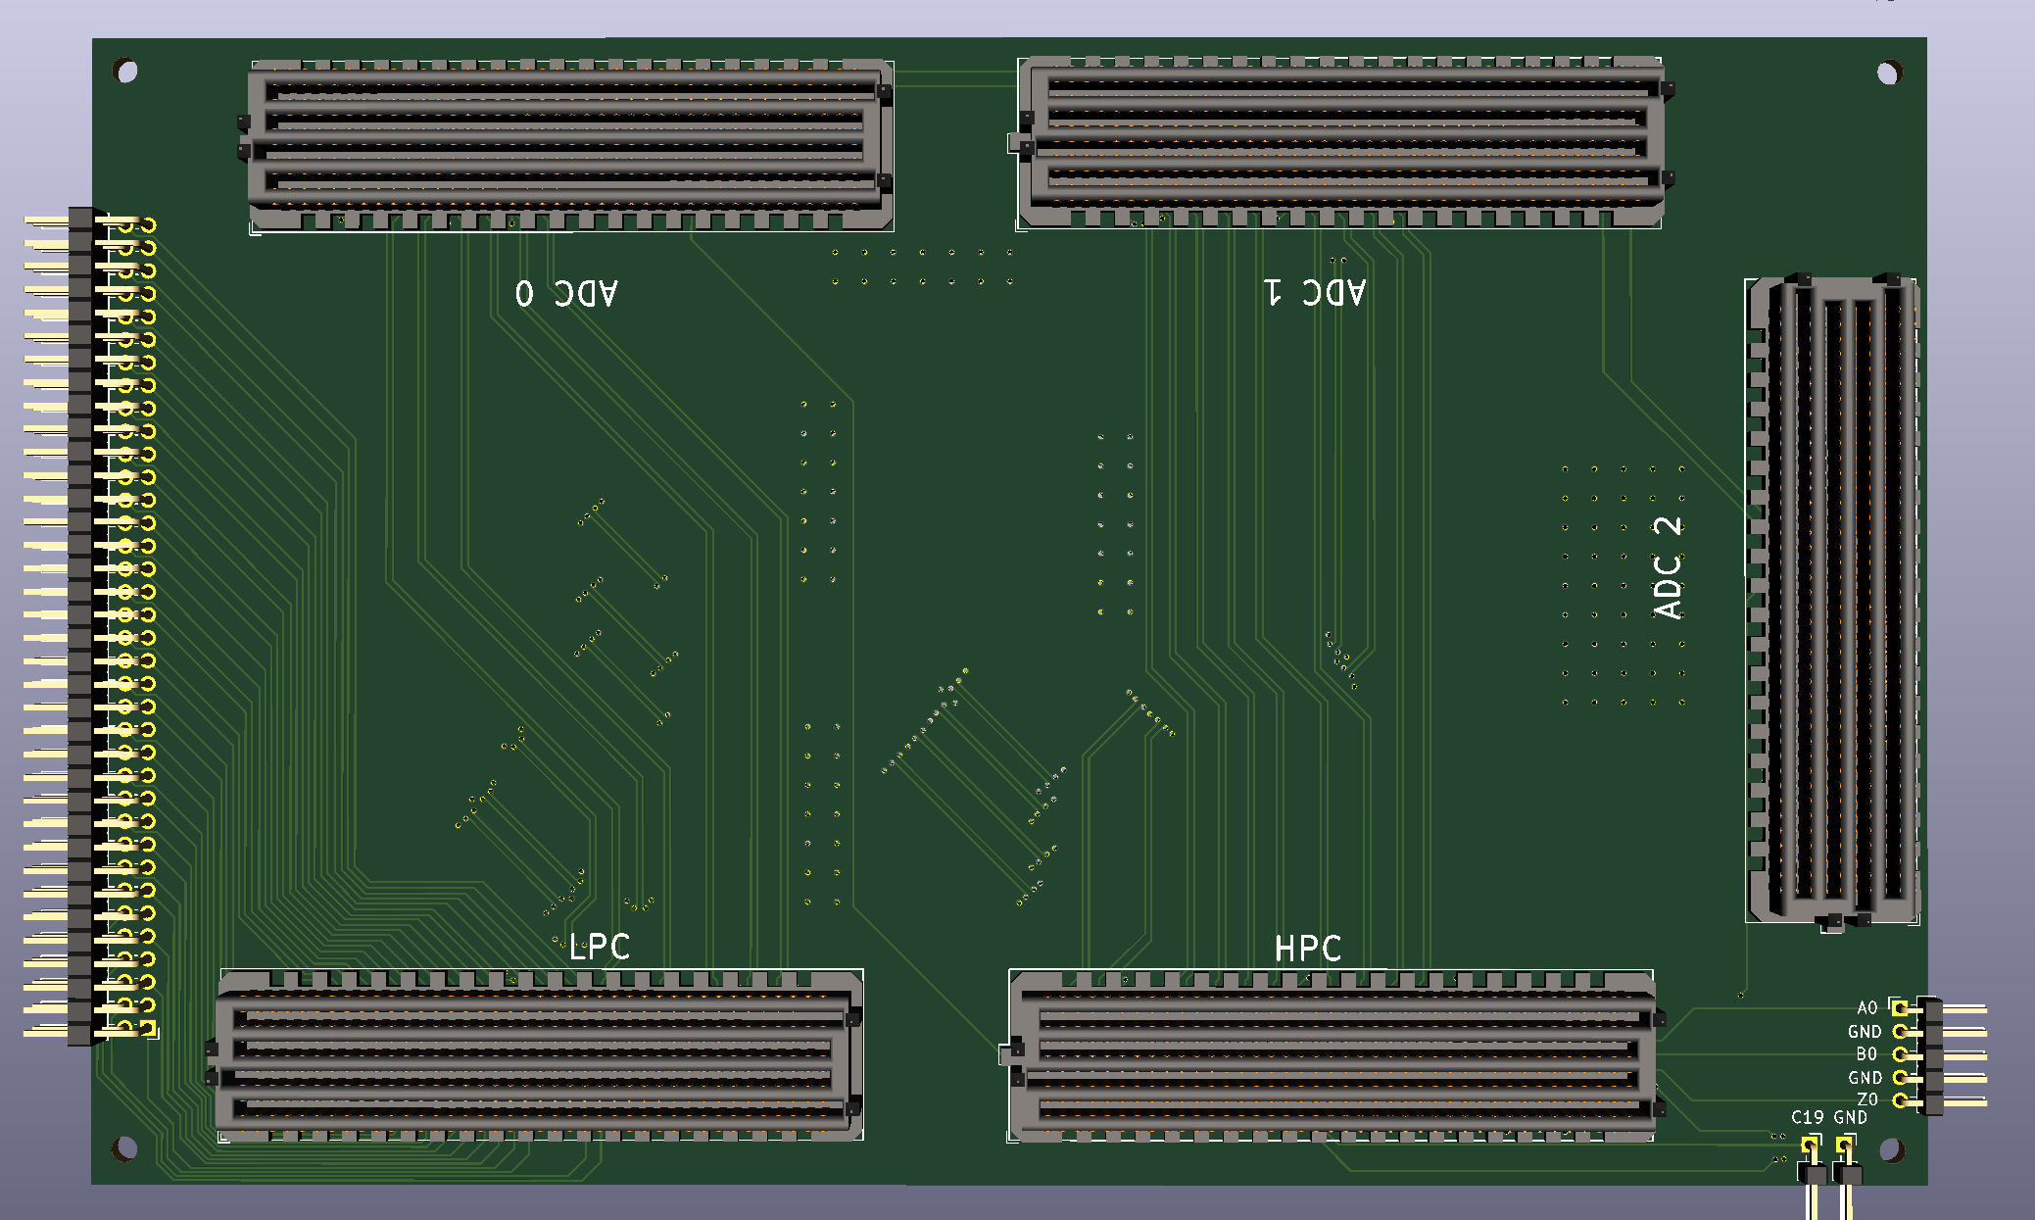
Part | Formfactor | Quantity | Minimum Order | Retailer link | Elfa part nummer | RS Components part number
male right angle 10x2 | 2mm pitch | 5 | 1 | https://www.elfa.se/sv/milli-grid-genomgaende-hal-kretskortslist-hoegervinklad-20-kontakter-rader-2mm-stiftavstand-molex-87760-2016/p/14300684?q=&pos=1&origPos=721&origPageSize=50&track=true | 143-00-684
40x1 male header | 2 mm pitch | 1 | 3 | https://www.elfa.se/sv/ss-rak-hane-kretskortslist-genomgaende-hal-rader-40-kontakter-2mm-stiftavstand-prostar-ss-2mm-1x40/p/14379103?q=*&pos=5&origPos=155&origPageSize=50&track=true | 143-79-103
FMC female |  | 3
FMC male |  | 2

